Sheet1
About Us | Testing the About Us navigation link in the footer | 1)Open the base site url | About Us page should be displayed | About Us page is displayed | 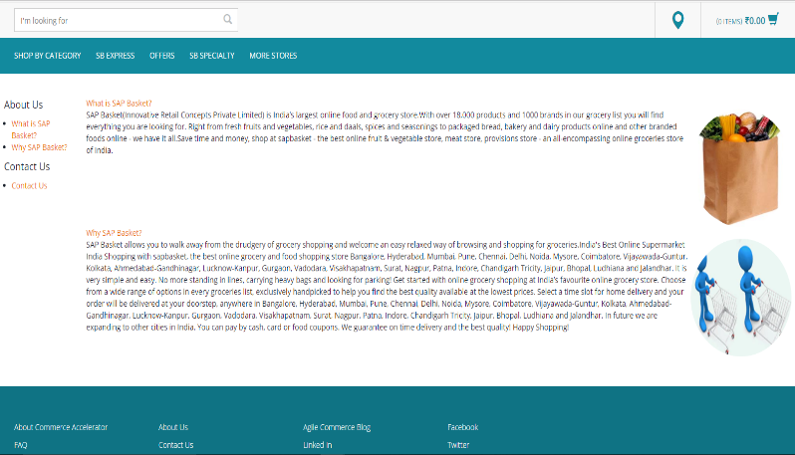
 |  | 2)Click on the 'About Us' link

Contact Us | Testing the Contact Us navigation link in the footer | 1)Open the base site url | Contact Us page should be displayed | Contact Us page is displayed | 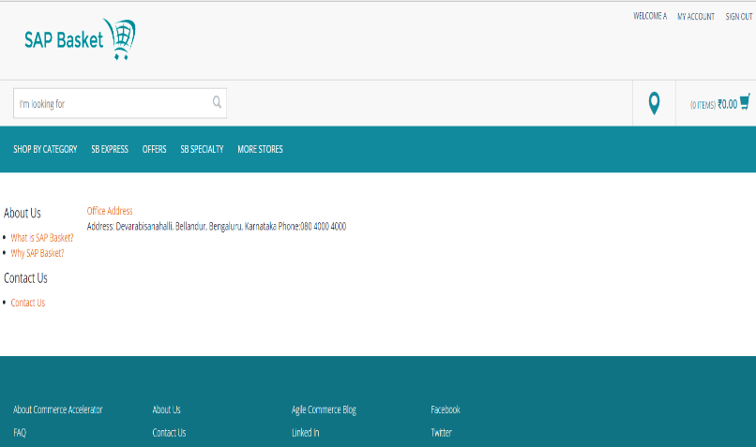
 |  | 2)Click on the 'Contact Us' link

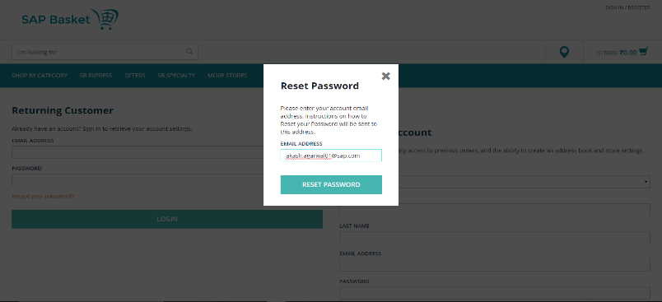
Forgotten Password Email Notification Generation | Testing the Forgotten password link | 1)Open the base site url | An email notification should be generated to the registered email id mentioned | An email notification is generated to the registered email id mentioned
 |  | 2)Click on the 'LOGIN/REGISTER' button on the top right corner
 |  | 3)Click on the 'Forgot Password' button
 |  | 4)Enter the registered email id in the pop windows that appears next

